LAYOUT
 |  |  |  |  |  | 82% |  | 80%
THUMBNAILS | SHOT # | SHOT TYPE | USED IN SHOTS | Notes | 1. ASSIGNED TO | ROUGH | 3. ASSIGNED TO | CLEAN
 | 01 | TITLE CARD |  |  | N/A | NEW | N/A | NEW
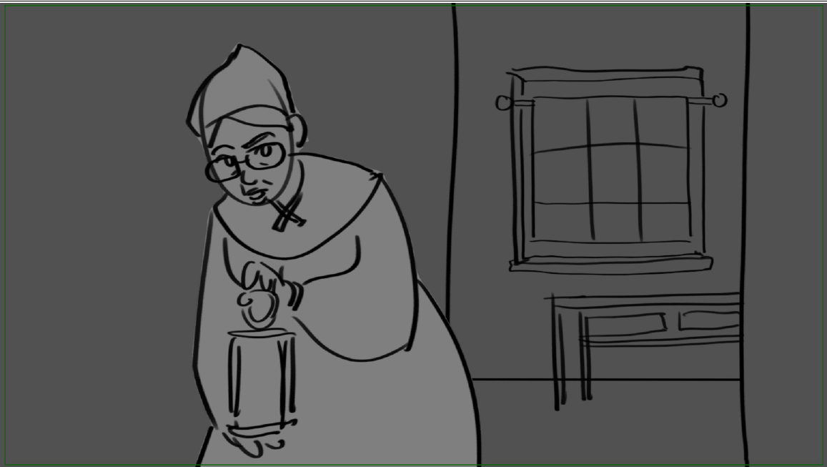 | 02 | PAN, ZOOM IN |  | animated door element | NATASHA | COMPLETE | FELICIA | COMPLETE
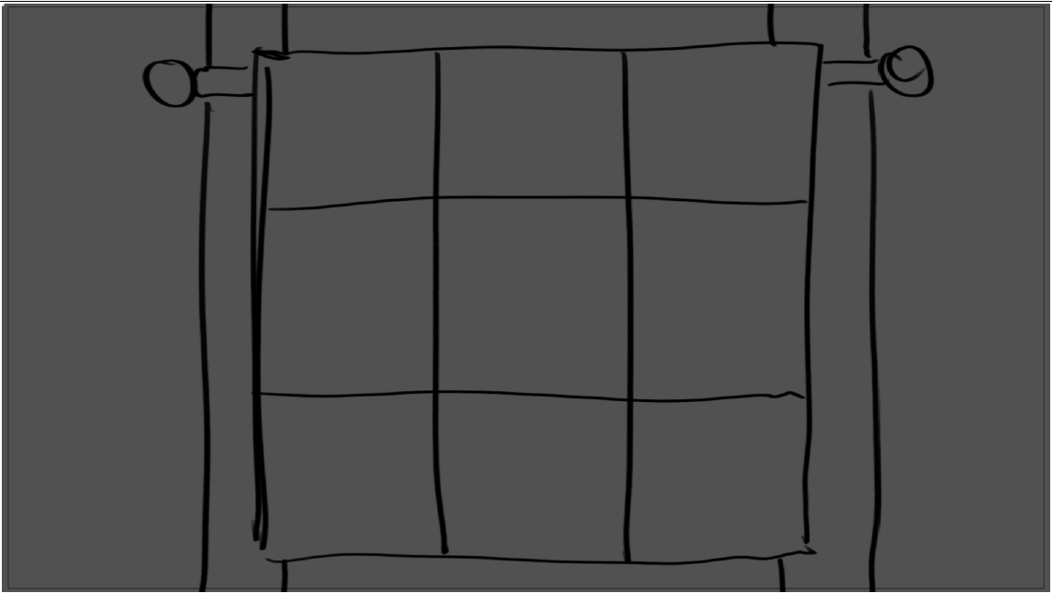 | 03 | CLOSE UP |  |  | NATASHA | COMPLETE | FELICIA | COMPLETE
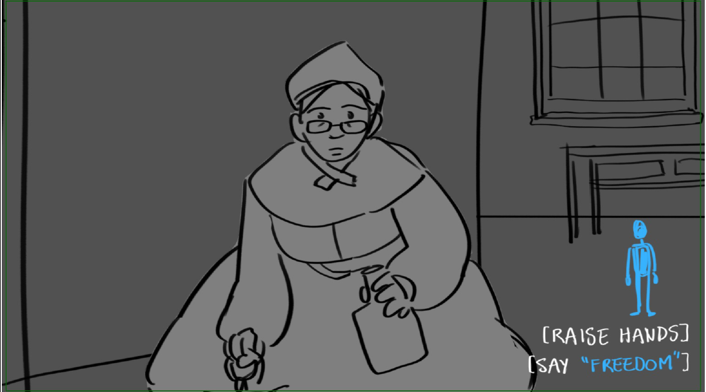 | 04 | REUSE | 2 | interactive | NATASHA | COMPLETE | FELICIA | COMPLETE
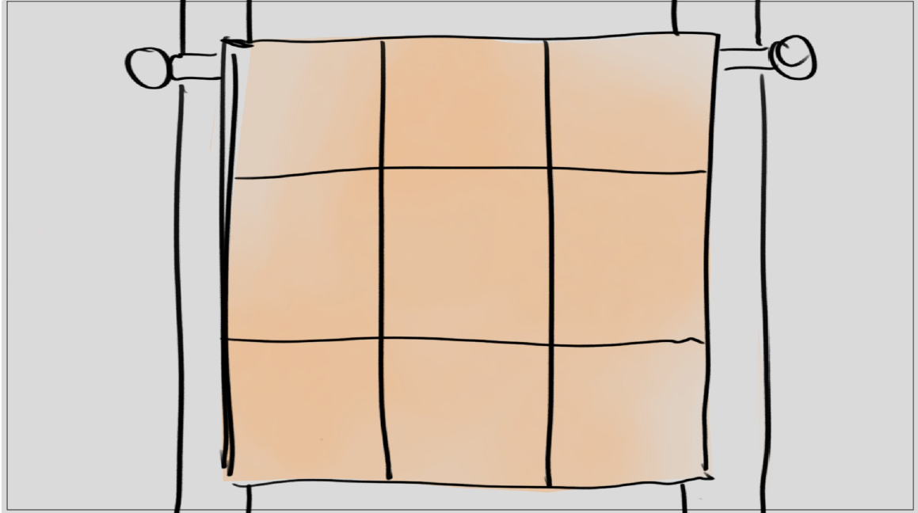 | 05 | REUSE, ZOOM IN | 3 | light variation of SC03 + interactive | FELICIA | COMPLETE | FELICIA | COMPLETE
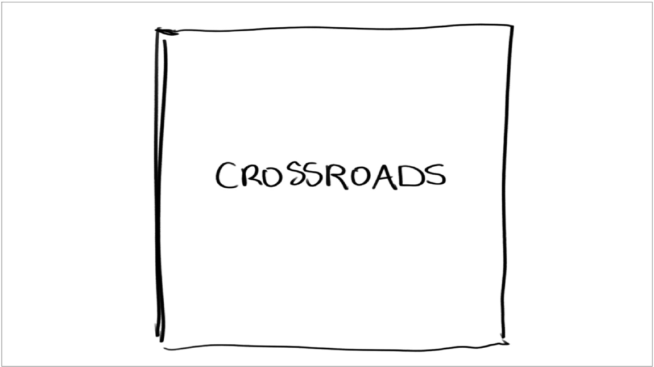 | 06 | TITLE CARD |  |  | N/A | NEW | N/A | NEW
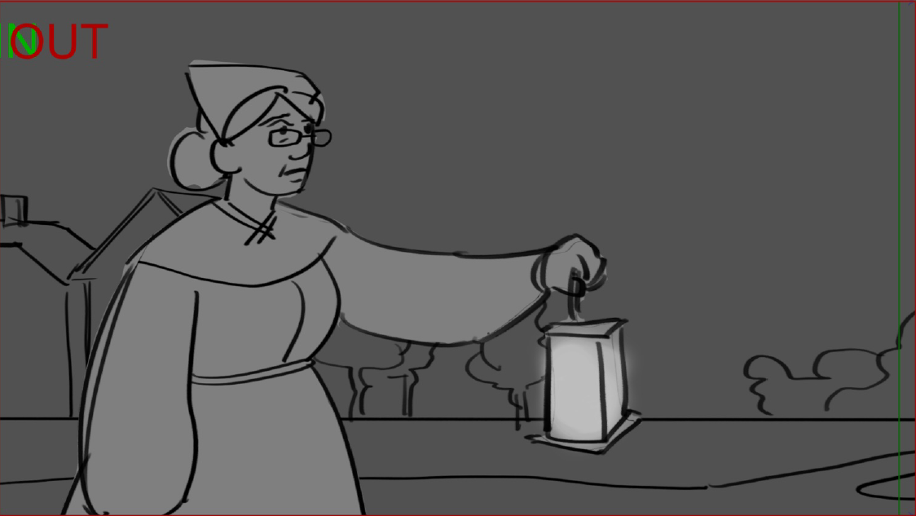 | 07 | PAN |  |  | NATASHA | COMPLETE | FELICIA | COMPLETE
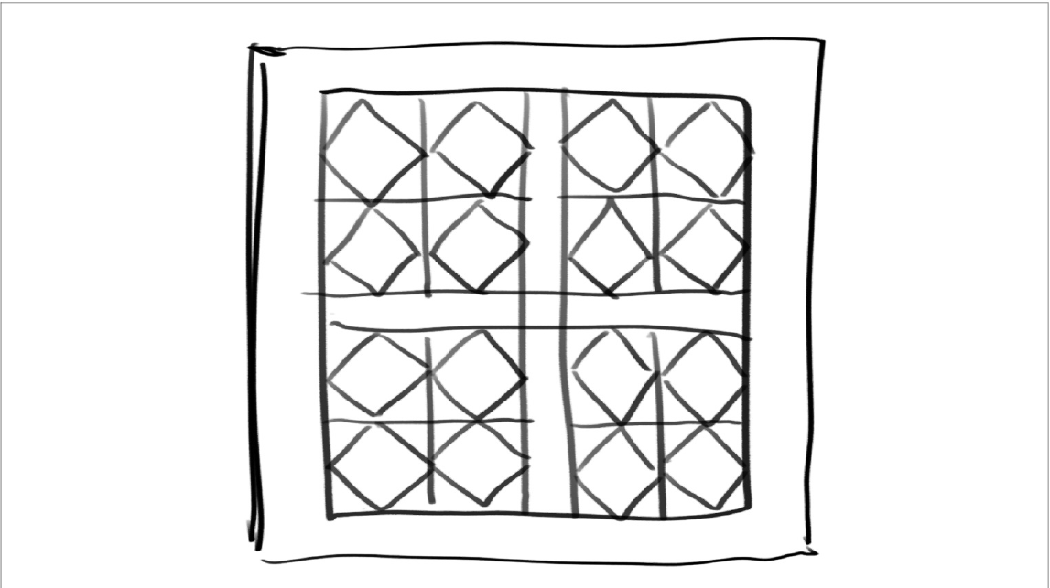 | 08 | REUSE | 7 | interactive | NATASHA | COMPLETE | FELICIA | COMPLETE
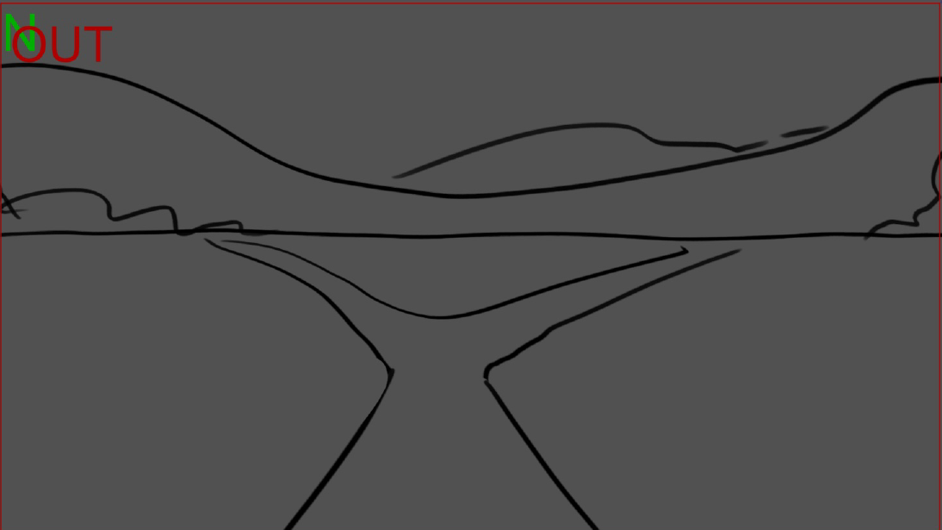 | 09 | REUSE, ZOOM IN | 9 | interactive | FELICIA | COMPLETE | FELICIA | COMPLETE
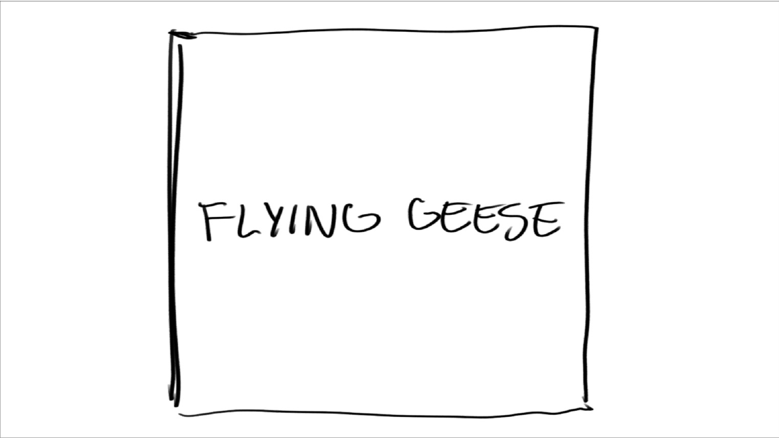 | 10 | TITLE CARD |  |  | N/A | NEW | N/A | NEW
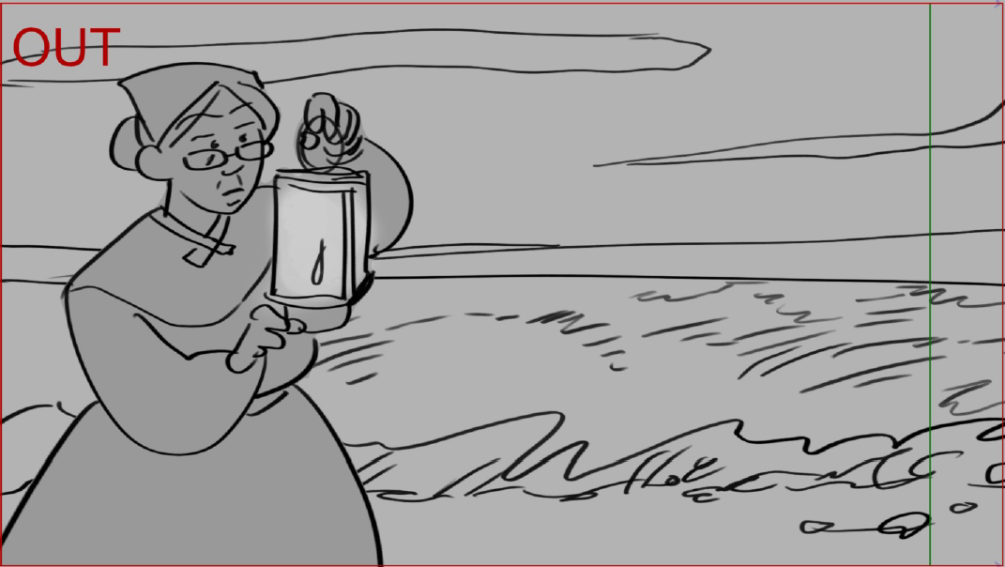 | 11 | PAN |  |  | NATASHA | COMPLETE | FELICIA | COMPLETE
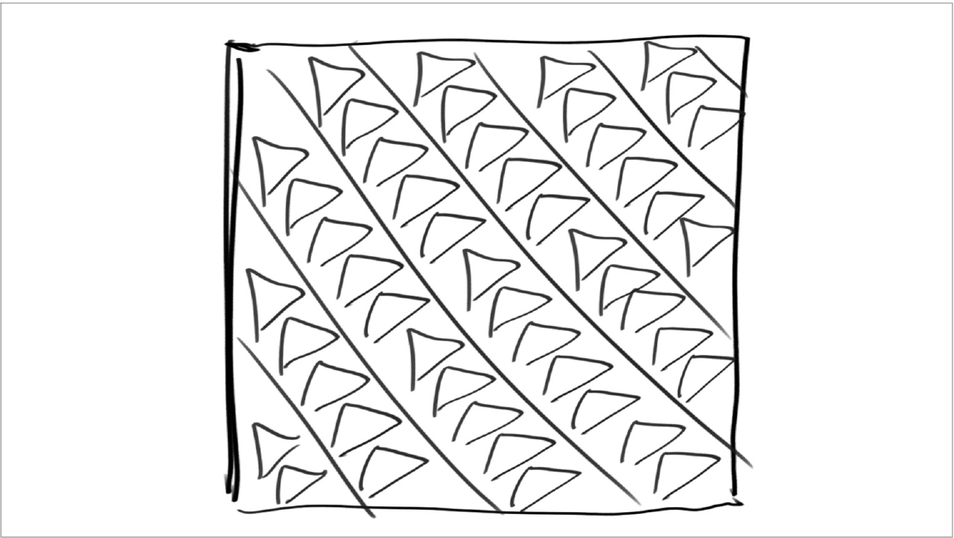 | 12 | TITLE CARD, REUSE | 12 |  | NATASHA | COMPLETE | NATASHA | COMPLETE
 | 13 | PAN, REUSE, ZOOM IN | 13 | interactive | NATASHA | COMPLETE | FELICIA | COMPLETE
 | 14 | TITLE CARD |  |  | N/A | NEW | N/A | NEW
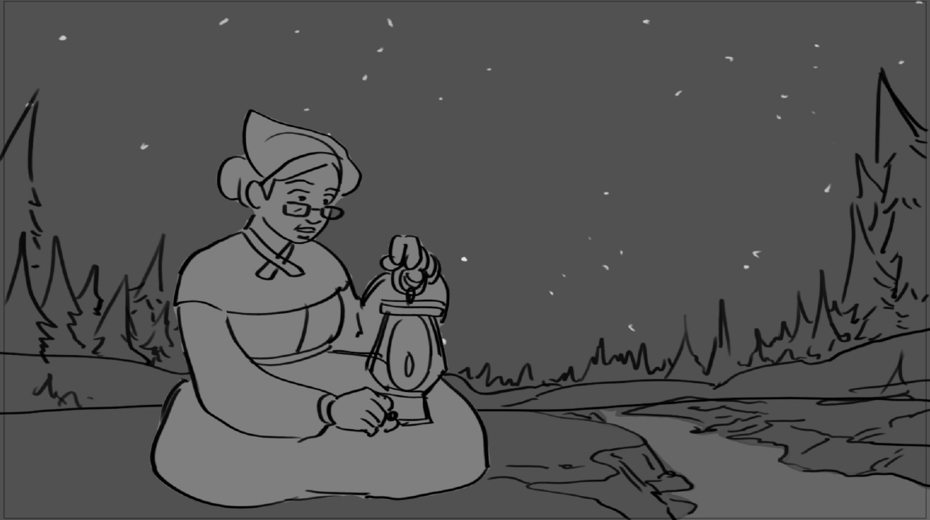 | 15 |  |  | no cam move | NATASHA | COMPLETE | FELICIA | COMPLETE
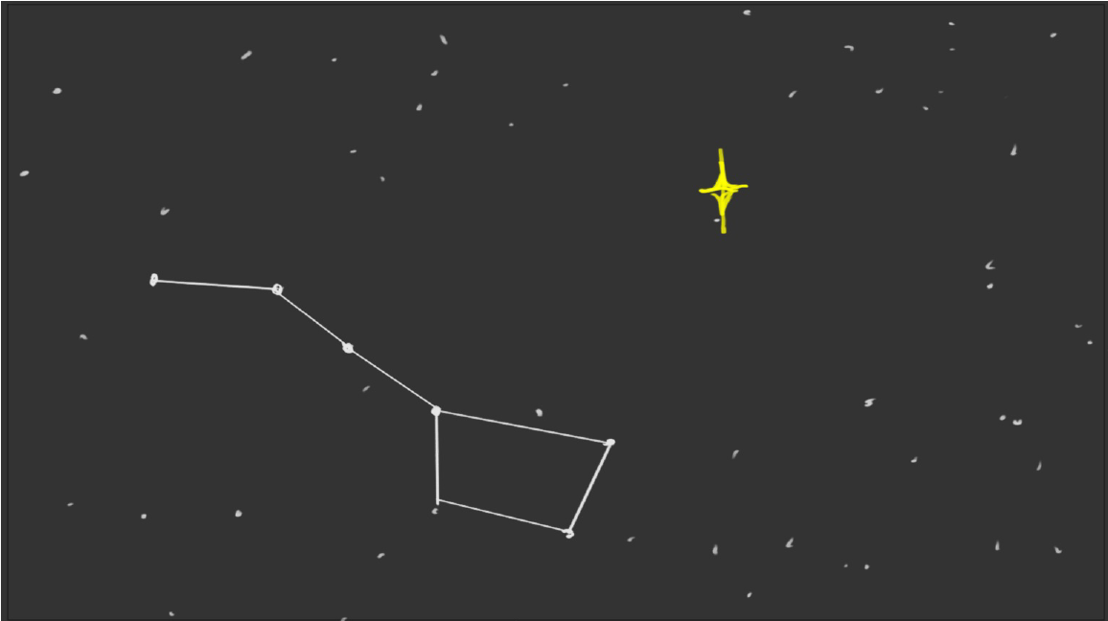 | 16 | PAN |  | spinning star bg | FELICIA | COMPLETE | FELICIA | COMPLETE
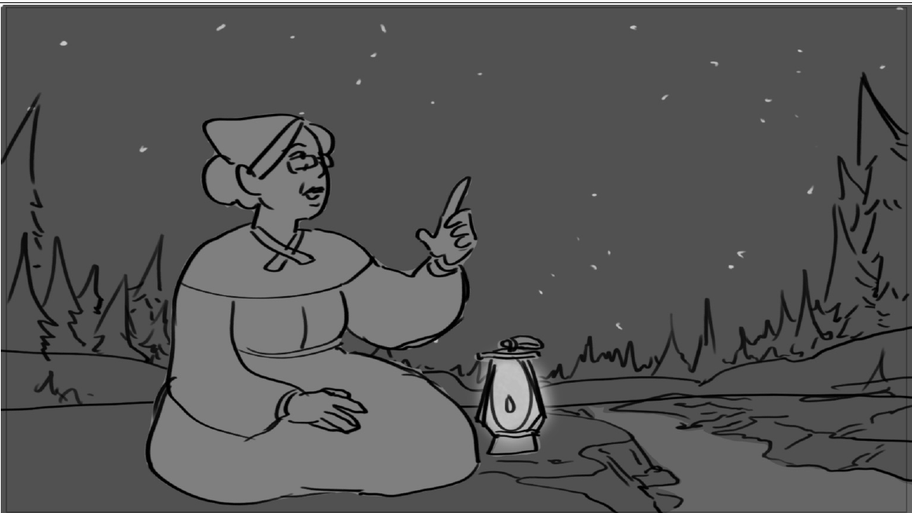 | 17 | REUSE | 17 |  | NATASHA | COMPLETE | FELICIA | COMPLETE
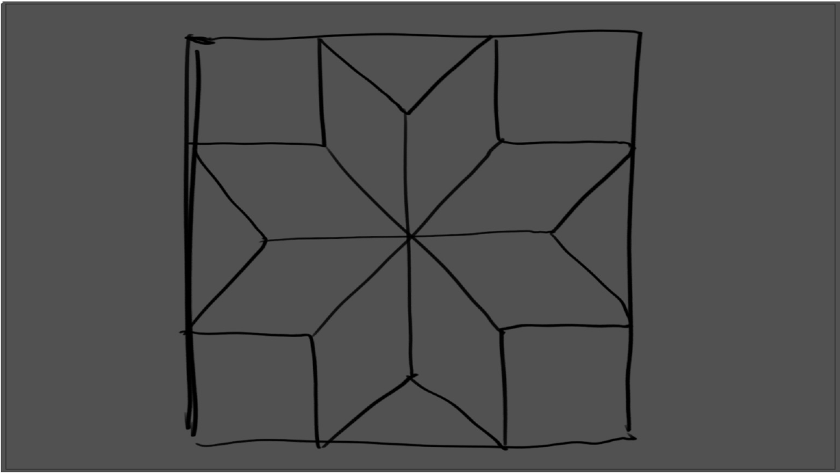 | 18 | TITLE CARD, REUSE | 16 |  | NATASHA | COMPLETE | NATASHA | COMPLETE
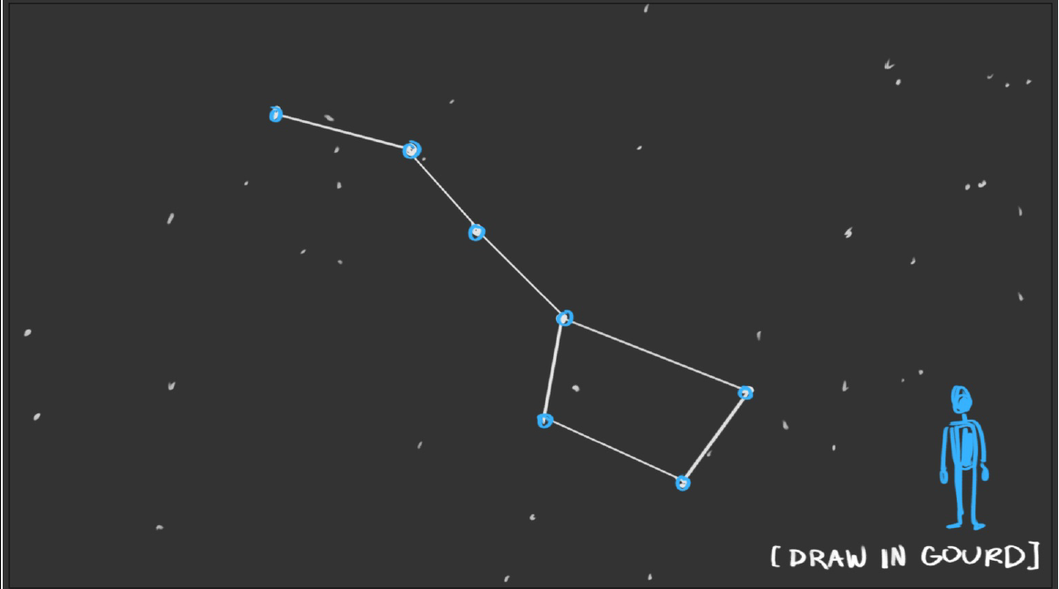 | 19 | REUSE, PAN | 18 | interactive + reuse bg stars | FELICIA | COMPLETE | FELICIA | COMPLETE
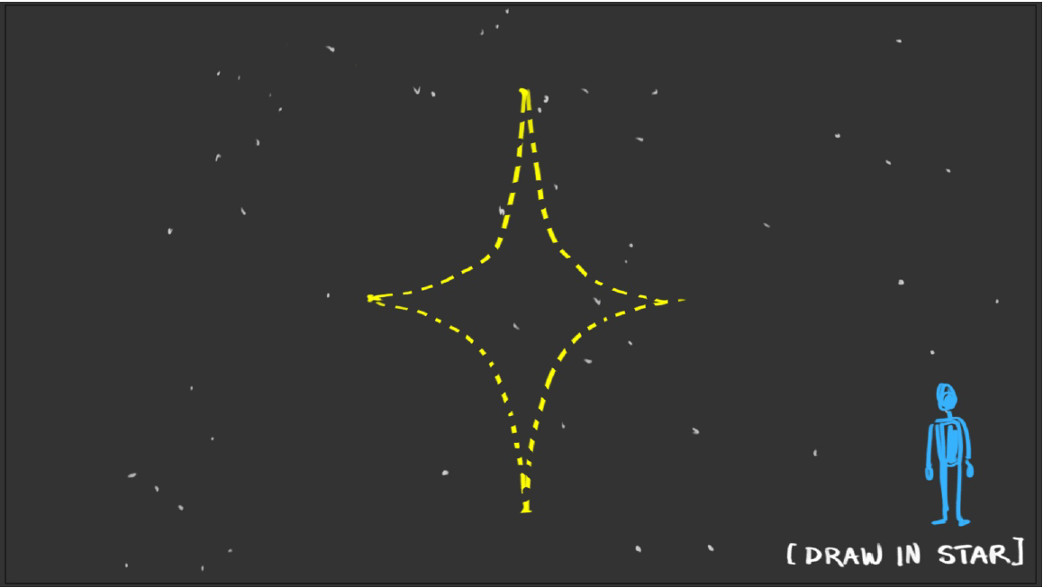 | 20 | CLOSE UP, ZOOM IN, REUSE | 18 | interactive + reuse bg stars - north star appears later half | FELICIA | COMPLETE | FELICIA | COMPLETE
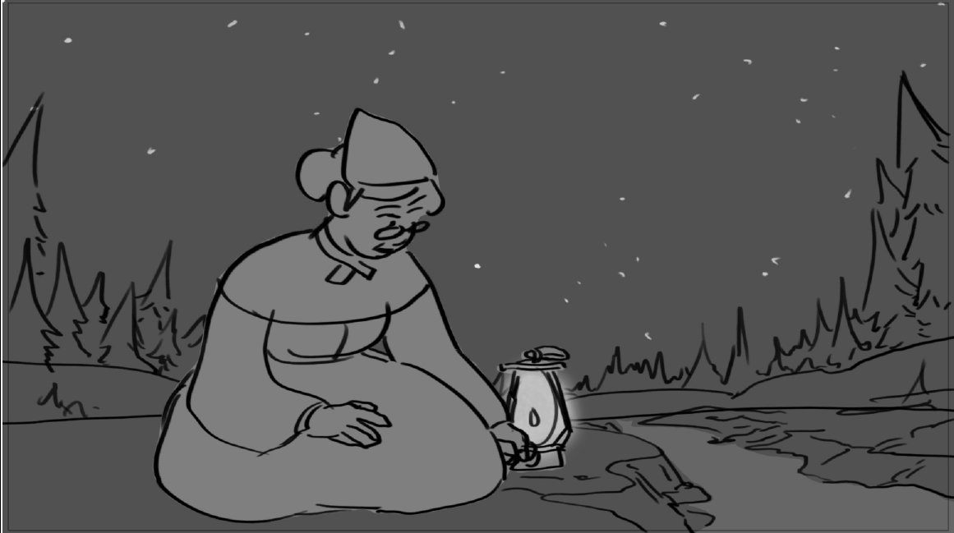 | 21 | REUSE |  | no light variation/fade to black | NATASHA | COMPLETE | FELICIA | COMPLETE
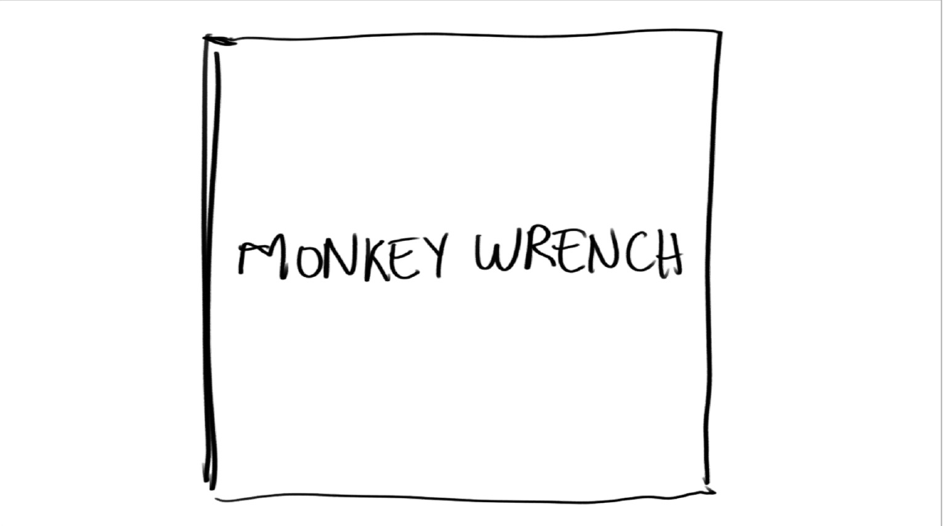 | 22 | TITLE CARD |  |  | N/A | NEW | N/A | NEW
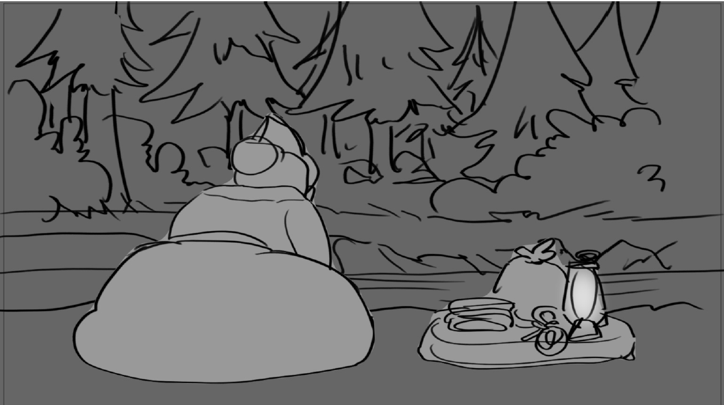 | 23 |  |  | no cam move | NATASHA | COMPLETE | FELICIA | COMPLETE
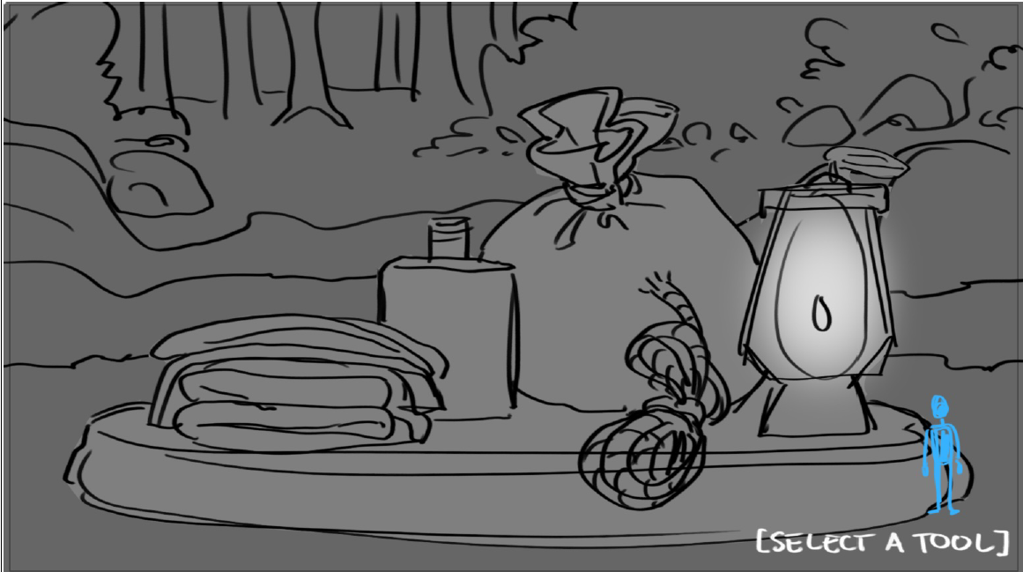 | 24 | CLOSE UP | 25 | redraw from SC25? + interactive | NATASHA | COMPLETE | FELICIA | COMPLETE
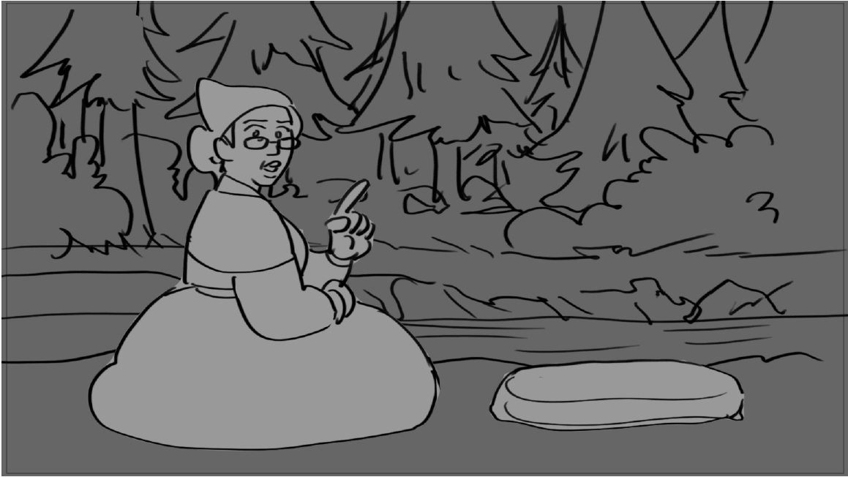 | 25 | REUSE | 25 | no tools on rock + interactive | NATASHA | COMPLETE | FELICIA | COMPLETE
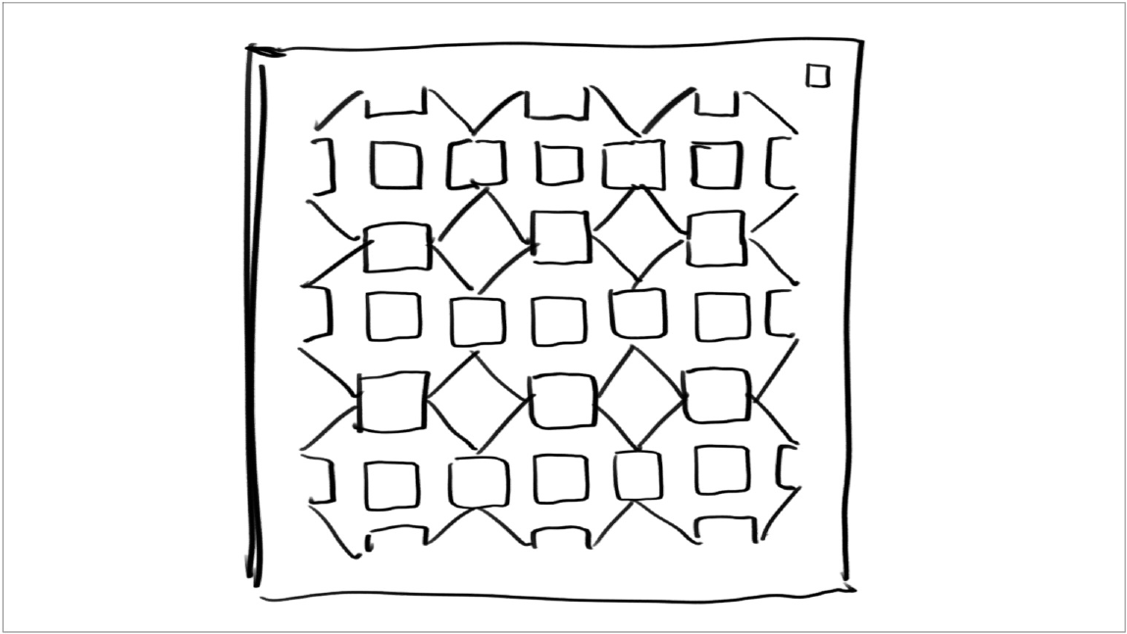 | 26 | TITLE CARD, REUSE | 24 |  | NATASHA | COMPLETE | NATASHA | COMPLETE
 | 27 | REUSE | 27 |  | NATASHA | COMPLETE | FELICIA | COMPLETE
 | 28 | TITLE CARD |  |  |  | NEW |  | NEW
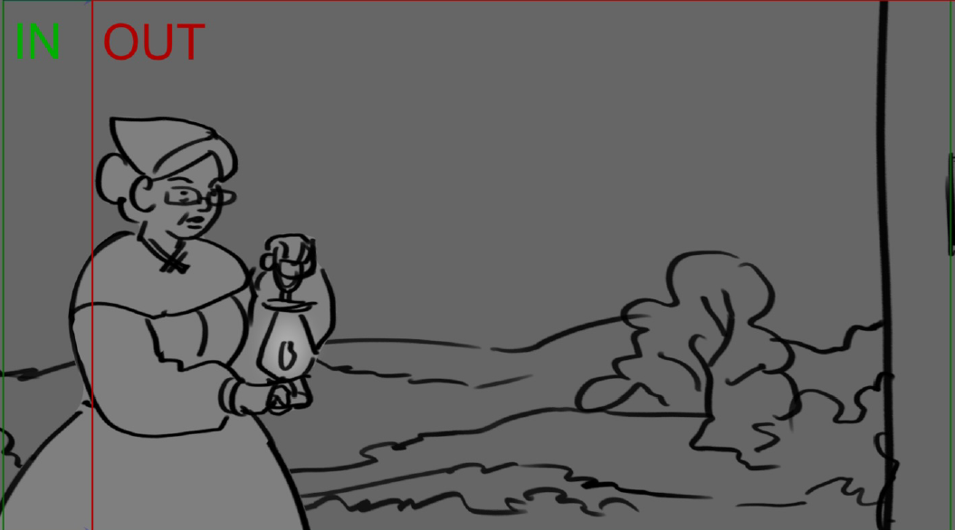 | 29 | PAN |  |  | FELICIA | COMPLETE | FELICIA | COMPLETE
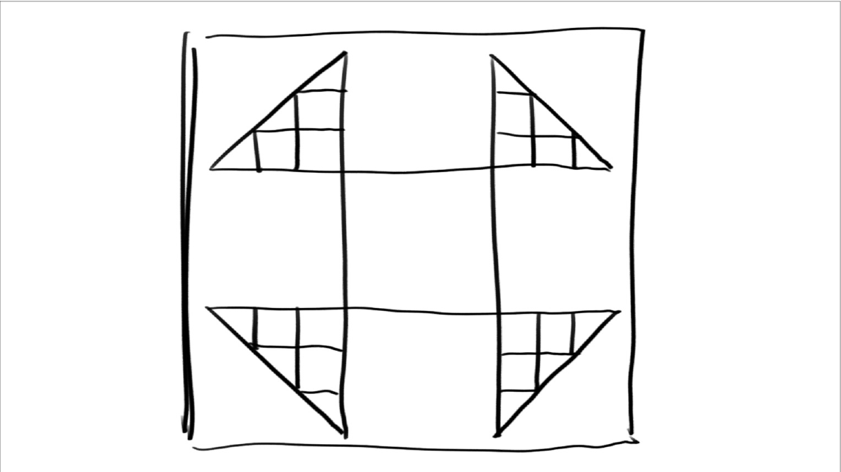 | 30 | TITLE CARD, REUSE | 30 |  | NATASHA | COMPLETE | NATASHA | COMPLETE
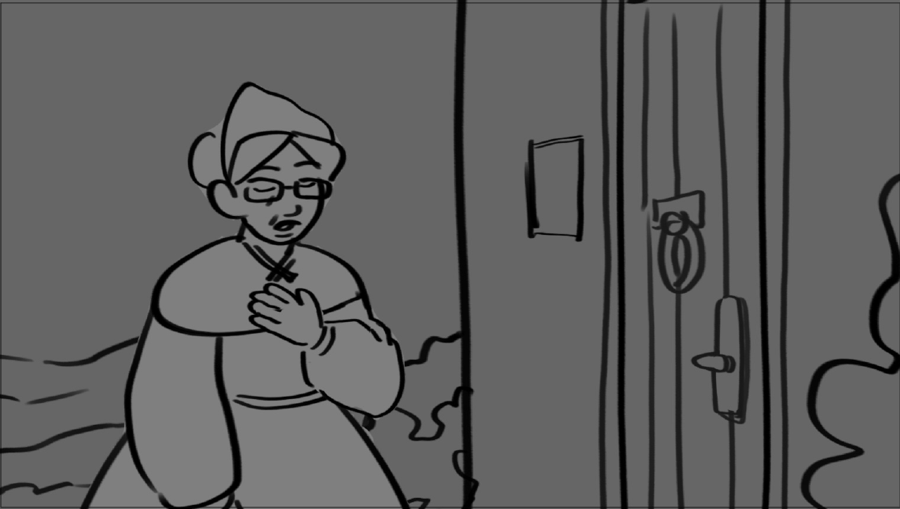 | 31 | REUSE, PAN | 31 | interactive | FELICIA | COMPLETE | FELICIA | COMPLETE
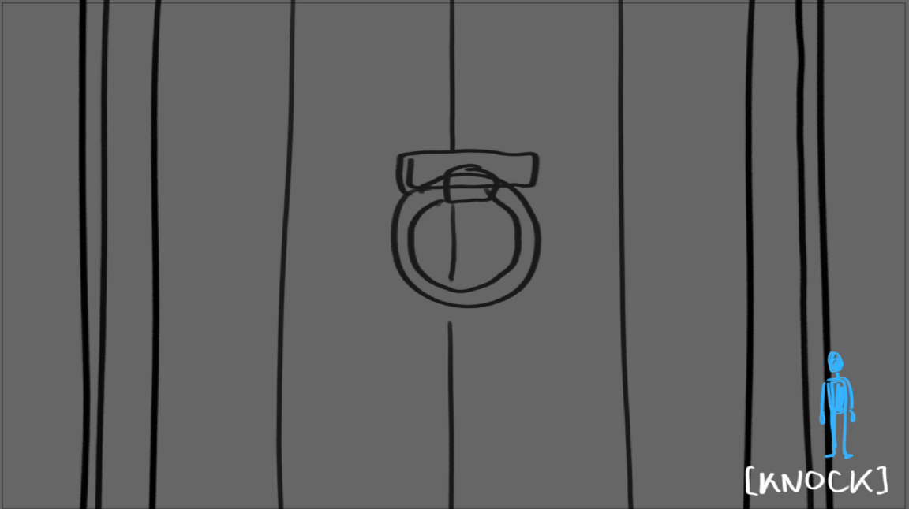 | 32 | CLOSE UP |  | interactive + door + hands animation asset | NATASHA | COMPLETE | FELICIA | COMPLETE
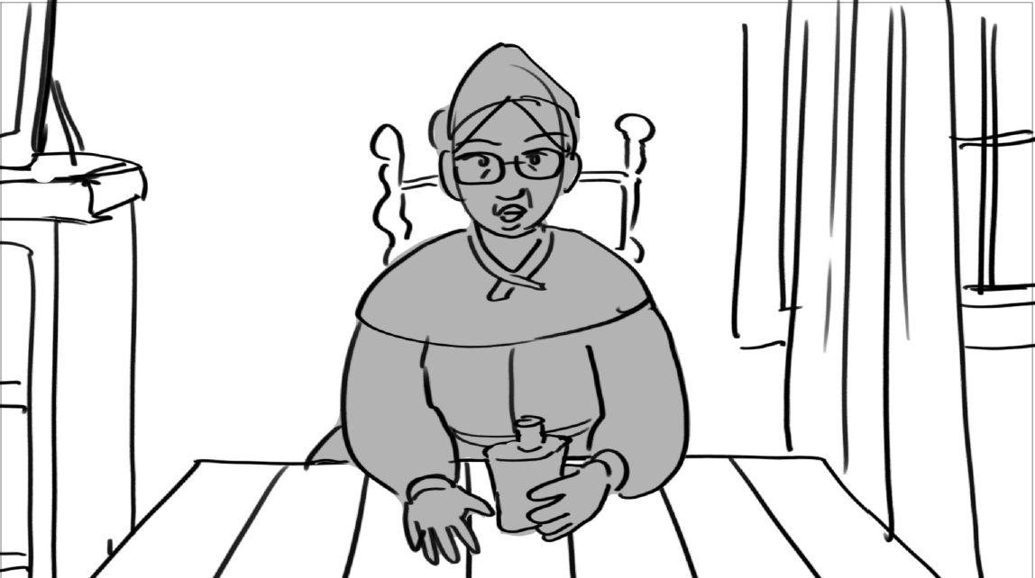 | 33 |  |  |  | NATASHA | COMPLETE | NATASHA | COMPLETE
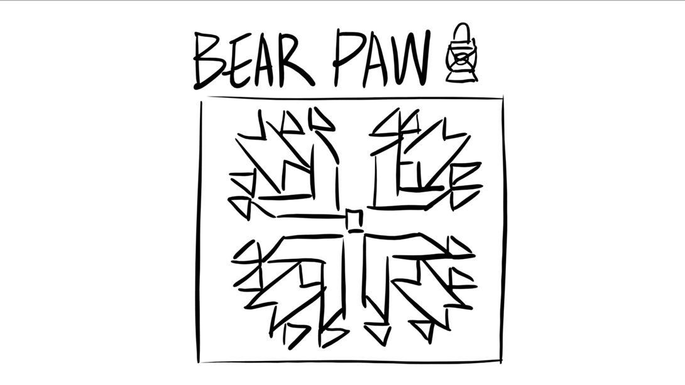 | 34 | TITLE CARD |  |  | N/A | NEW | N/A | NEW
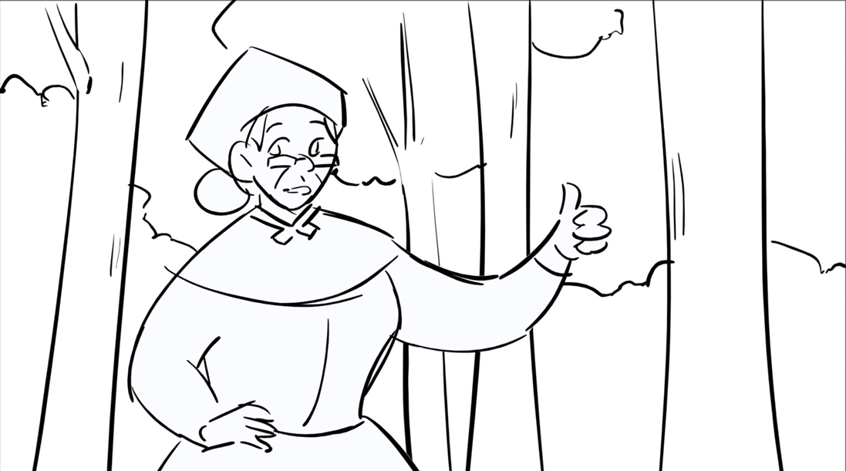 | 35 | PAN, ZOOM OUT |  |  | NATASHA | COMPLETE | FELICIA | COMPLETE
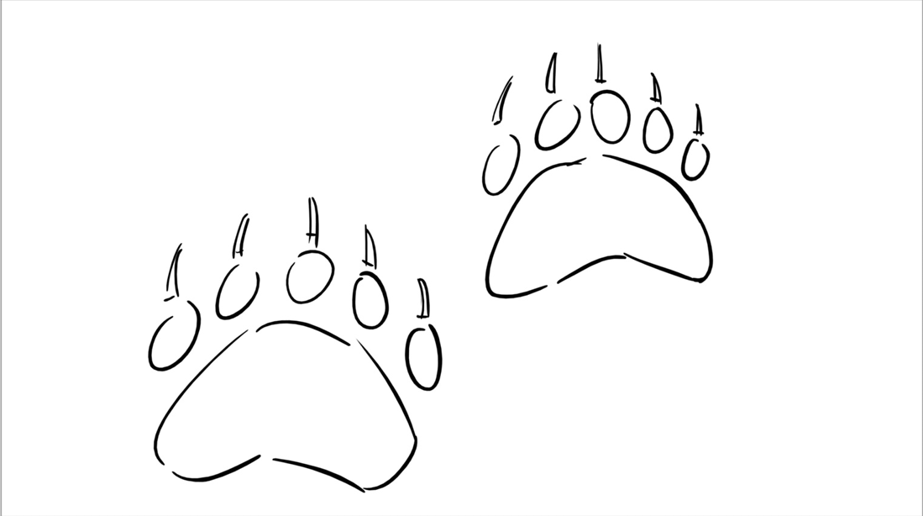 | 36 | CLOSE UP |  |  | FELICIA | COMPLETE | FELICIA | COMPLETE
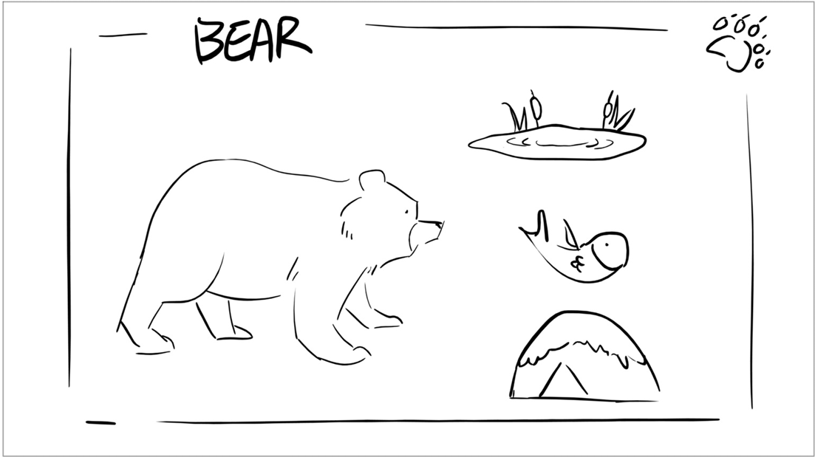 | 37 | TITLE CARD |  |  | NATASHA | COMPLETE | FELICIA | NEW
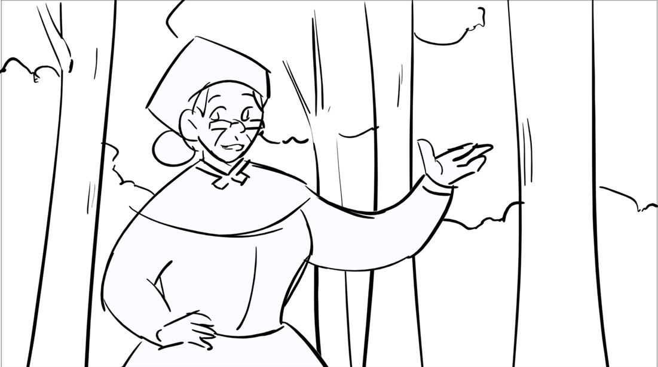 | 38 | REUSE | 37 |  | NATASHA | COMPLETE | FELICIA | COMPLETE
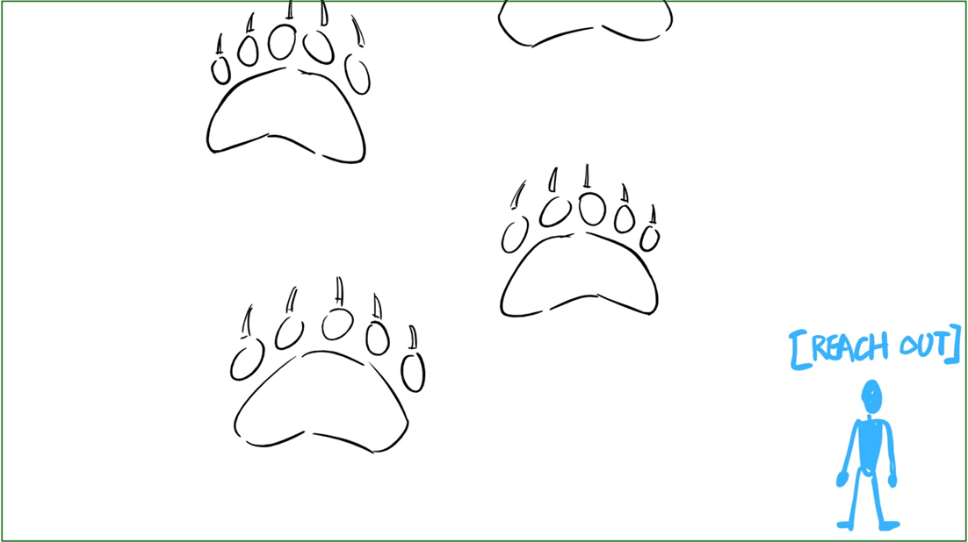 | 39 | PAN, REUSE | 38 | interactive | FELICIA | COMPLETE | FELICIA | COMPLETE
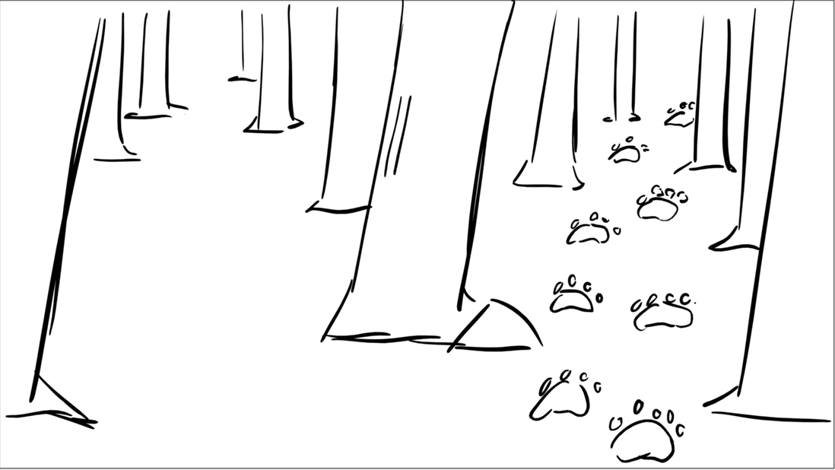 | 40 | CLOSE UP, ZOOM IN |  |  | FELICIA | COMPLETE | FELICIA | COMPLETE
 | 41 | REUSE |  |  | NATASHA | COMPLETE | NATASHA | COMPLETE
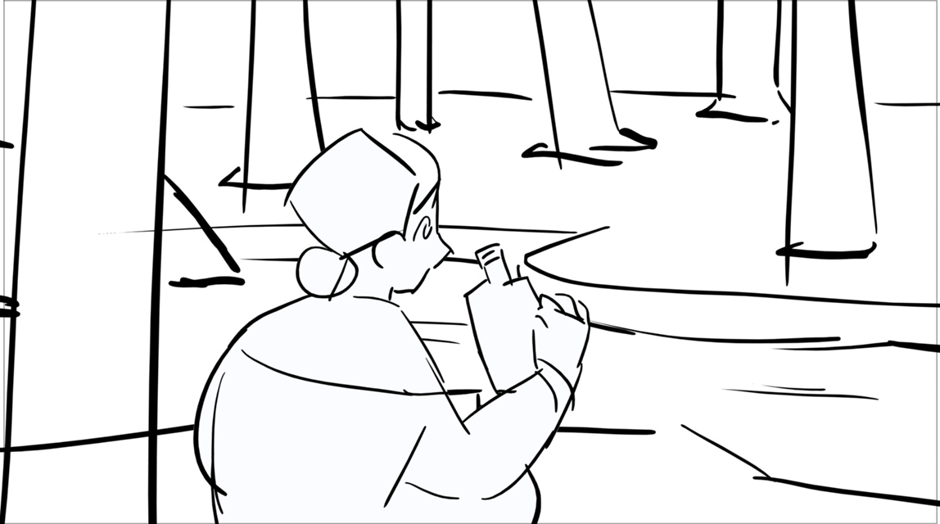 | 42 | ZOOM IN |  |  | FELICIA | COMPLETE | FELICIA | COMPLETE
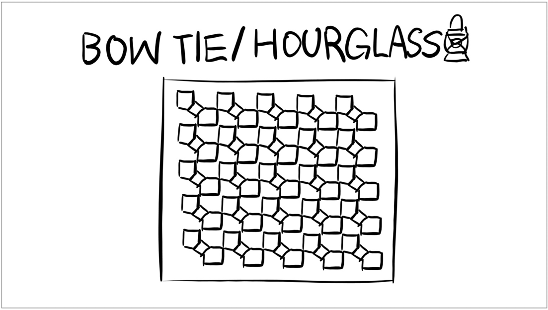 | 43 | TITLE CARD |  |  | N/A | NEW | N/A | NEW
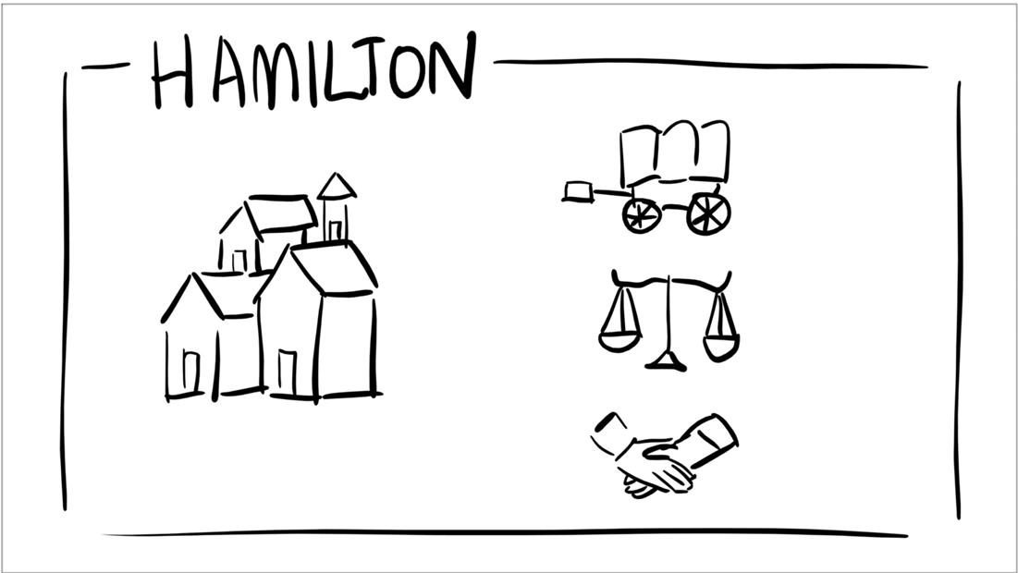 | 44 | PAN |  |  |  | NEW |  | NEW
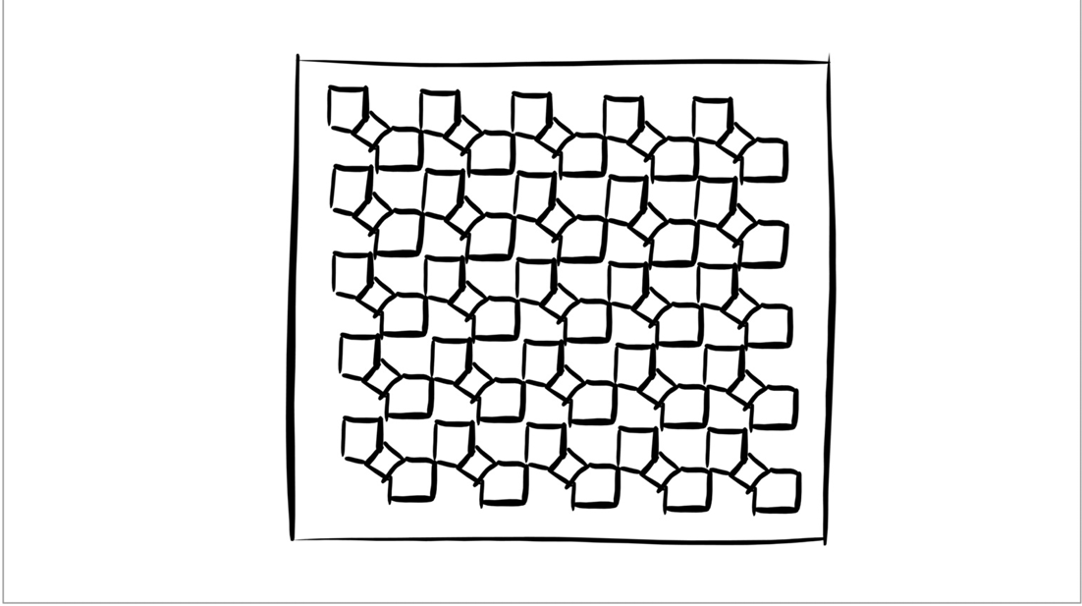 | 45 | TITLE CARD, REUSE | 46 |  | NATASHA | COMPLETE | NATASHA | COMPLETE
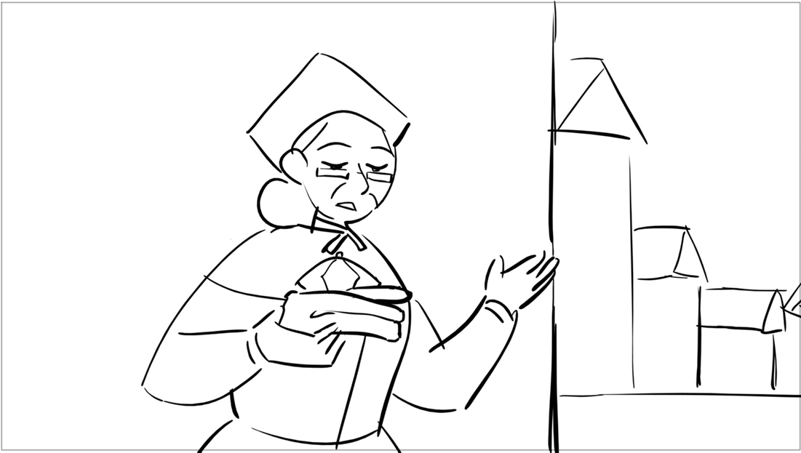 | 46 | PAN, REUSE | 48 | interactive | NATASHA | COMPLETE | FELICIA | COMPLETE
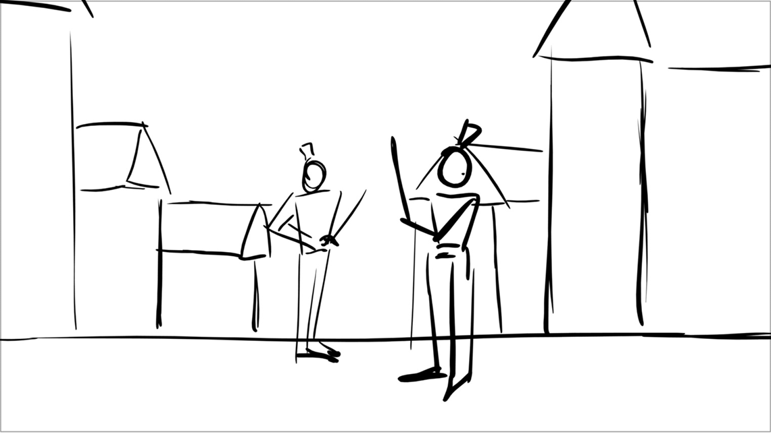 | 47 | TITLE CARD |  |  | NATASHA | COMPLETE | FELICIA | COMPLETE
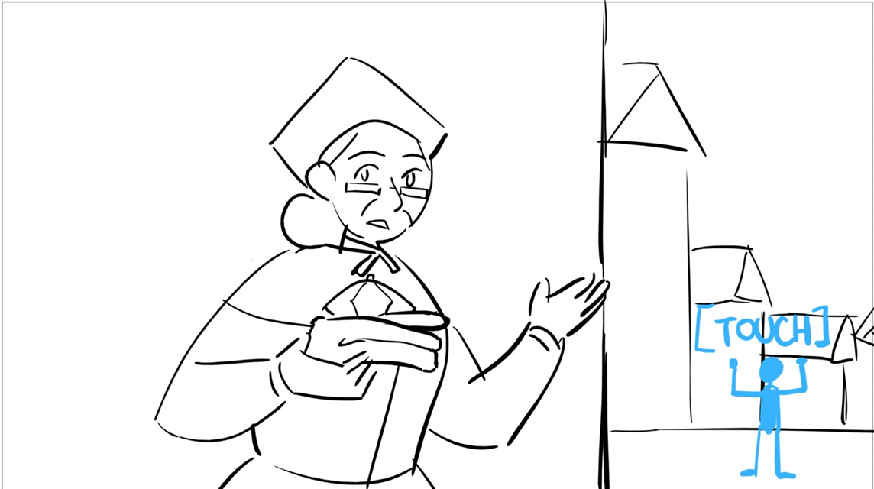 | 48 | ZOOM IN, REUSE | 54 |  | NATASHA | COMPLETE | FELICIA | COMPLETE
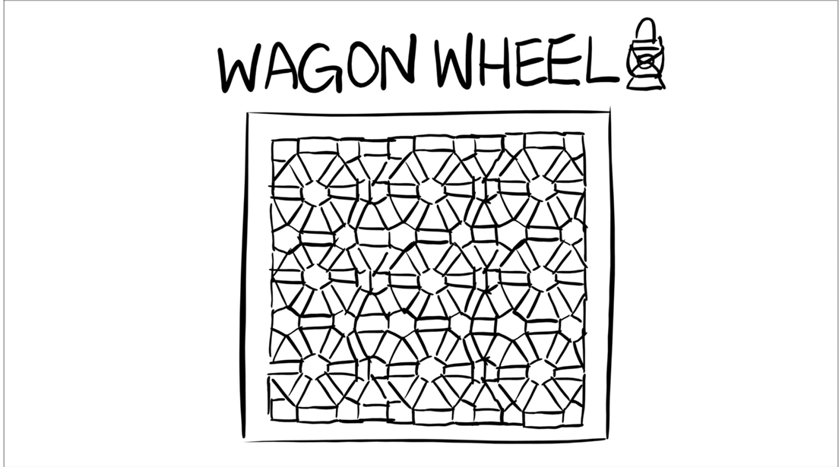 | 49 | TITLE CARD, REUSE | 51 |  | N/A | COMPLETE | N/A | COMPLETE
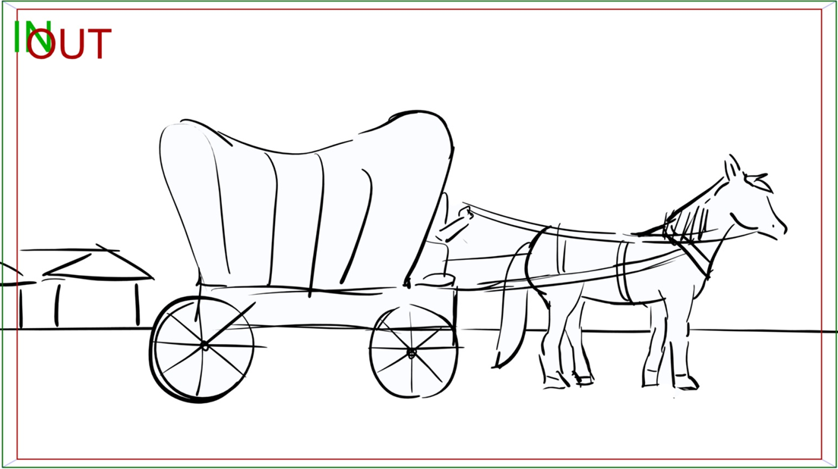 | 50 |  |  |  | NATASHA | COMPLETE | FELICIA | COMPLETE
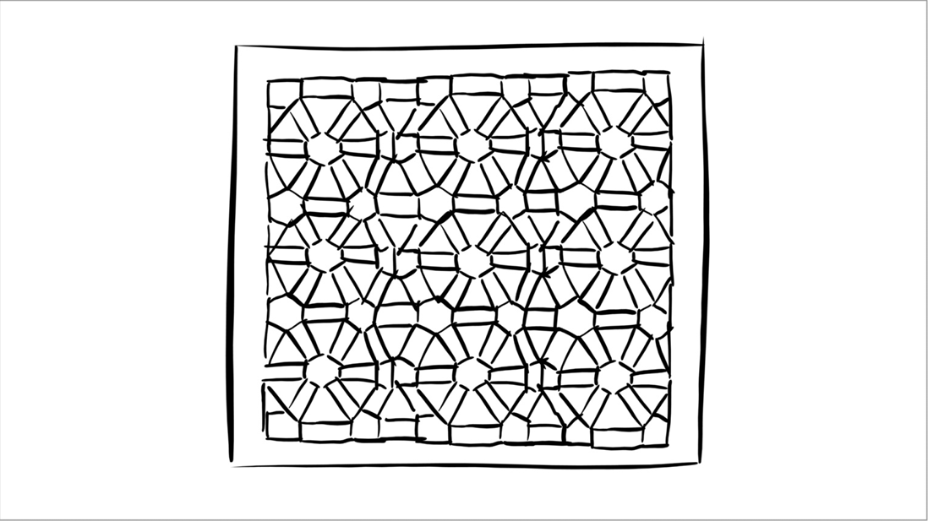 | 51 | TITLE CARD |  | interactive | NATASHA | COMPLETE | NATASHA | COMPLETE
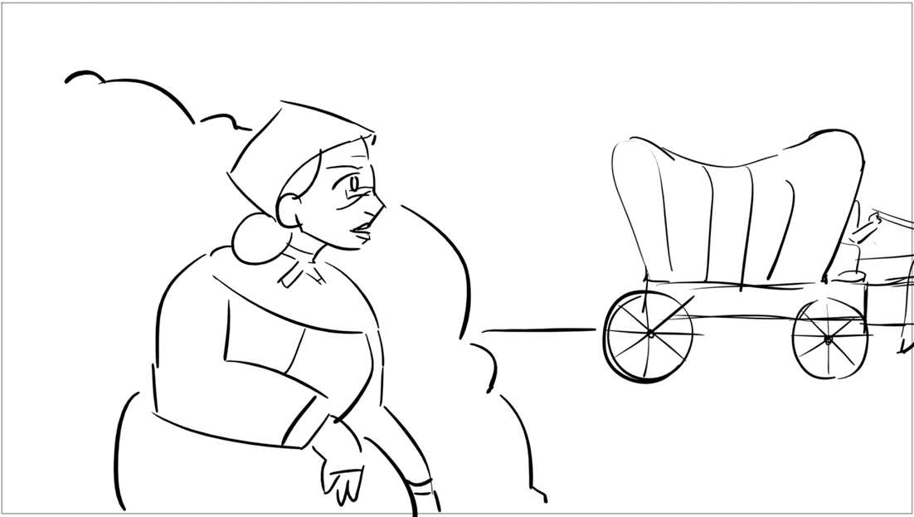 | 52 | CLOSE UP |  |  | NATASHA | COMPLETE | FELICIA | COMPLETE
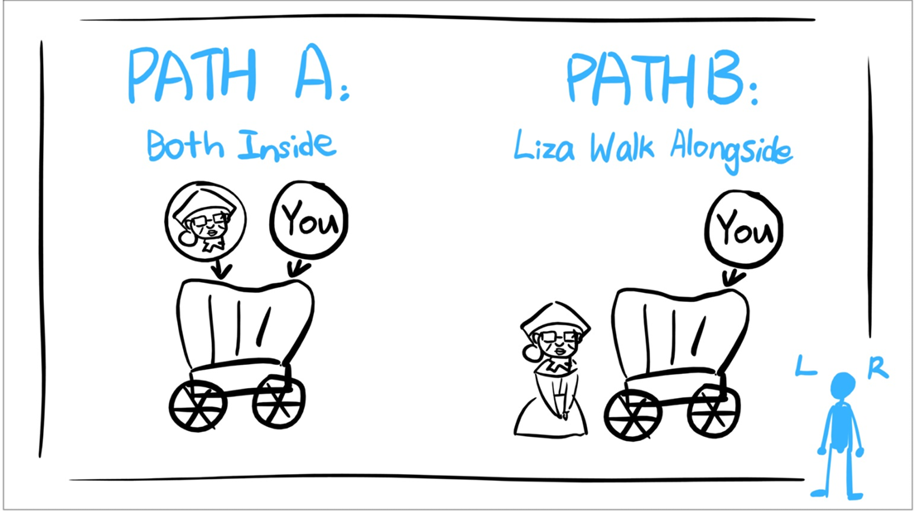 | 53 | TITLE CARD, REUSE | 55 | interactive | NATASHA | COMPLETE |  | NEW
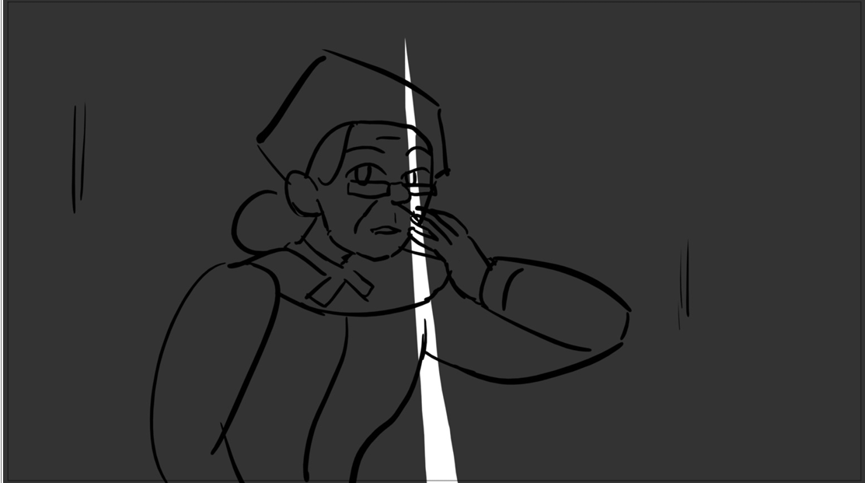 | 54 | PAN, REUSE, CLOSE UP | 54 |  | NATASHA | COMPLETE | FELICIA | COMPLETE
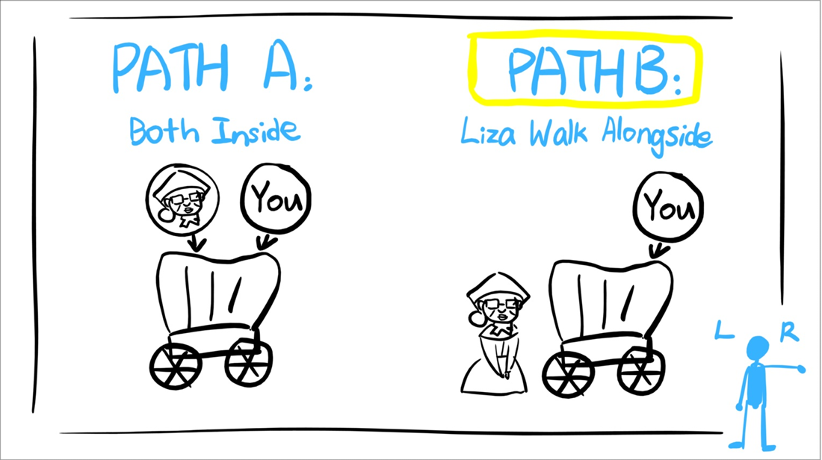 | 55 | TITLE CARD |  |  | N/A | COMPLETE | N/A | COMPLETE
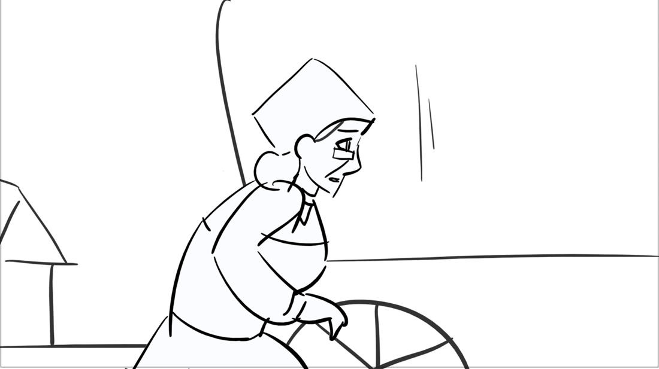 | 56 | PAN, REUSE, CLOSE UP | 54 | blur bg houses | NATASHA | COMPLETE | FELICIA | COMPLETE
 | 57 | CLOSE UP, REUSE | 56 |  | N/A | NEW | N/A | NEW
 | 58 | CLOSE UP, REUSE | 58 |  | FELICIA | COMPLETE | FELICIA | COMPLETE
 | 59 |  |  | interactive | FELICIA | COMPLETE | FELICIA | COMPLETE
 | 60 | CLOSE UP |  | colour card bg? + interactive | FELICIA | COMPLETE | FELICIA | COMPLETE
 | 61 | PAN |  | interactive | NATASHA | COMPLETE | FELICIA | COMPLETE
 | 62 | TITLE CARD |  |  | N/A | NEW | N/A | NEW
 | 63 | PAN |  |  | NATASHA | COMPLETE | FELICIA | COMPLETE
 | 64 | TITLE CARD |  |  |  | NEW |  | NEW
 | 65 | REUSE | 68 | reuse tree assets | FELICIA | COMPLETE | FELICIA | COMPLETE
 | 66 | ZOOM IN |  |  | FELICIA | NEW | FELICIA | NEW
 | 67 | PAN, REUSE | 70 |  | NATASHA | COMPLETE | FELICIA | COMPLETE
 | 68 | CLOSE UP, REUSE | 71 | interactive | NATASHA | COMPLETE | FELICIA | COMPLETE
 | 69 | PAN, CLOSE UP |  | interactive | NATASHA | COMPLETE | FELICIA | COMPLETE
 | 70 | PAN |  |  | NATASHA | COMPLETE | FELICIA | COMPLETE
 | 71 |  |  |  | FELICIA | COMPLETE | FELICIA | COMPLETE
 | 72 | CLOSE UP, REUSE |  | interactive | FELICIA | COMPLETE | FELICIA | COMPLETE
 | 73 | ZOOM IN |  |  | NATASHA | COMPLETE | FELICIA | COMPLETE
 | 74 | TITLE CARD, REUSE | 5 | isolate quilt from bg | NATASHA | COMPLETE | FELICIA | COMPLETE
 | 75 |  |  |  | FELICIA | COMPLETE | FELICIA | COMPLETE
 | 76 |  |  |  | NATASHA | COMPLETE | FELICIA | COMPLETE
 | 77 |  |  |  | NATASHA | COMPLETE | FELICIA | COMPLETE
 | 78 |  |  |  | NATASHA | COMPLETE | NATASHA | COMPLETE

ANIMATION
 |  |  |  | 26% | 23%
THUMBNAILS | SHOT # | Notes | ASSIGNED TO | POSE PASS | FINAL
 | 01 |  | N/A | N/A | N/A
 | 02 | door animation | ELAYNA | COMPLETE | COMPLETE
 | 03 |  | N/A | N/A | N/A
 | 04 | interactive | ELAYNA | COMPLETE | COMPLETE
 | 05 | light variation of SC03 + interactive guide | GIVEN/MIKE | NEW | NEW
 | 06 |  | N/A | N/A | N/A
 | 07 |  | WENDY | COMPLETE | COMPLETE
 | 08 |  | N/A | N/A | N/A
 | 09 |  |  | N/A | N/A
 | 10 |  | N/A | N/A | N/A
 | 11 | geese animation | NATASHA | COMPLETE | COMPLETE
 | 12 |  | N/A | N/A | N/A
 | 13 | geese animation | NATASHA | COMPLETE | COMPLETE
 | 14 |  | N/A | N/A | N/A
 | 15 | no cam move | FELICIA | COMPLETE | COMPLETE
 | 16 | spinning star bg |  | N/A | N/A
 | 17 |  | FELICIA | COMPLETE | COMPLETE
 | 18 |  | N/A | N/A | N/A
 | 19 | interactive + reuse bg stars | GIVEN/MIKE | N/A | N/A
 | 20 | interactive + reuse bg stars | GIVEN/MIKE | N/A | N/A
 | 21 | no light variation/fade to black | FELICIA | COMPLETE | COMPLETE
 | 22 |  | N/A | N/A | N/A
 | 23 | no cam move | ELAYNA | COMPLETE | COMPLETE
 | 24 | redraw from SC25? + interactive |  | NEW | NEW
 | 25 | no tools on rock + interactive | ELAYNA | COMPLETE | COMPLETE
 | 26 |  | N/A | N/A | N/A
 | 27 |  | ELAYNA | NEW | NEW
 | 28 |  |  | NEW | NEW
 | 29 |  | NATASHA | COMPLETE | DRAWING...
 | 30 |  | N/A | N/A | N/A
 | 31 | interactive | NATASHA | NEW | NEW
 | 32 | interactive + door + hands animation asset | NATASHA | COMPLETE | DRAWING...
 | 33 |  | NATASHA | COMPLETE | COMPLETE
 | 34 |  | N/A | N/A | N/A
 | 35 |  | WENDY | COMPLETE | COMPLETE
 | 36 |  | N/A | N/A | N/A
 | 37 |  |  | N/A | N/A
 | 38 |  | WENDY | COMPLETE | COMPLETE
 | 39 | interactive |  | N/A | N/A
 | 40 |  |  | N/A | N/A
 | 41 |  | N/A | N/A | N/A
 | 42 |  | WENDY | COMPLETE | COMPLETE
 | 43 |  | N/A | N/A | N/A
 | 44 |  | N/A | N/A | N/A
 | 45 |  | N/A | N/A | N/A
 | 46 | interactive | FELICIA | DRAWING... | NEW
 | 47 |  | FELICIA | NEW | NEW
 | 48 | loop? | FELICIA | NEW | NEW
 | 49 |  | N/A | N/A | N/A
 | 50 |  | N/A | N/A | N/A
 | 51 |  | N/A | N/A | N/A
 | 52 |  | FELICIA | NEW | NEW
 | 53 | interactive | GIVEN/MIKE | NEW | NEW
 | 54 |  | ELAYNA | NEW | NEW
 | 55 | interactive | GIVEN/MIKE | NEW | NEW
 | 56 | loop | FELICIA | NEW | NEW
 | 57 |  | N/A | N/A | N/A
 | 58 | reuse ground layer | NATASHA | NEW | NEW
 | 59 |  | NATASHA | COMPLETE | COMPLETE
 | 60 |  | NATASHA | NEW | NEW
 | 61 | interactive |  | NEW | NEW
 | 62 | colour card bg? + interactive | NATASHA | COMPLETE | COMPLETE
 | 63 | interactive | NATASHA | NEW | NEW
 | 64 |  | N/A | N/A | N/A
 | 65 |  | WENDY | COMPLETE | COMPLETE
 | 66 |  |  | NEW | NEW
 | 67 |  | WENDY | DRAWING... | NEW
 | 68 |  | WENDY | COMPLETE | COMPLETE
 | 69 |  | WENDY | NEW | NEW
 | 70 |  | WENDY | NEW | NEW
 | 71 |  | WENDY | NEW | NEW
 | 72 | interactive | WENDY | NEW | NEW
 | 73 | interactive | WENDY | NEW | NEW
 | 74 |  | WENDY | NEW | NEW
 | 75 |  | WENDY | NEW | NEW
 | 76 | interactive | WENDY | NEW | NEW
 | 77 |  | N/A | N/A | N/A
 | 78 | isolate quilt from bg | N/A | N/A | N/A

